Instructions
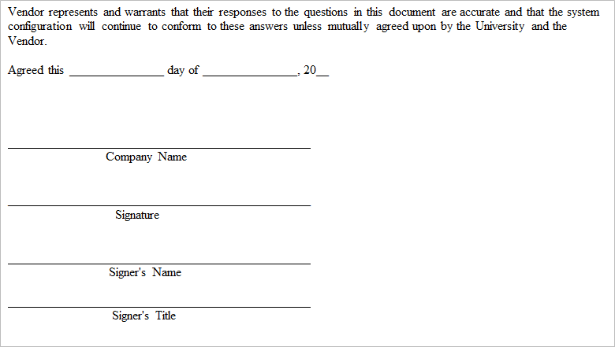
EXHIBIT A

Request for Proposals
Degree Planner Solution
University of Missouri
Vendor Questionnaire
RFP # 22073

Instructions

Complete all applicable tabs. Tabs that are applicable but not completed may lead to vendor disqualification.

Each question has three boxes following the question to indicate whether the question is related to the degree planner, degree audit, or schedule planner solution. If a Respondent is providing a solution marked by "x", Respondent must answer that question.

For each question, indicate your response in the Vendor Response column.

Required documents and signatures:
Vendor must return both this completed Excel document as well as a PDF version with signed signature blocks.

