UM
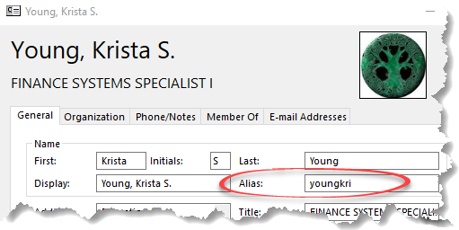
REQUIRED FIELDS |  |  |  |  |  |  |  |  | OPTIONAL FIELDS
Campus DROPDOWN | EmplID | Shopper First Name | Shopper Last Name | Shopper Email Address | UM Alias * SSO ID | Department Name | PrimeReq First Name | PrimeReq Last Name | Alt1Req First Name | Alt1Req Last Name | Alt2Req First Name | Alt2Req Last Name | Comments (optional)

To Be Submitted by Shopper's Supervisor or Dept Fiscal Officer
Click Here
to submit completed spreadsheet:
Krista Young
youngkri@umsystem.edu

* UM Alias
This can be found in Outlook in the "Alias" field. It may or may not match the Username portion of the email address.

